Sheet1
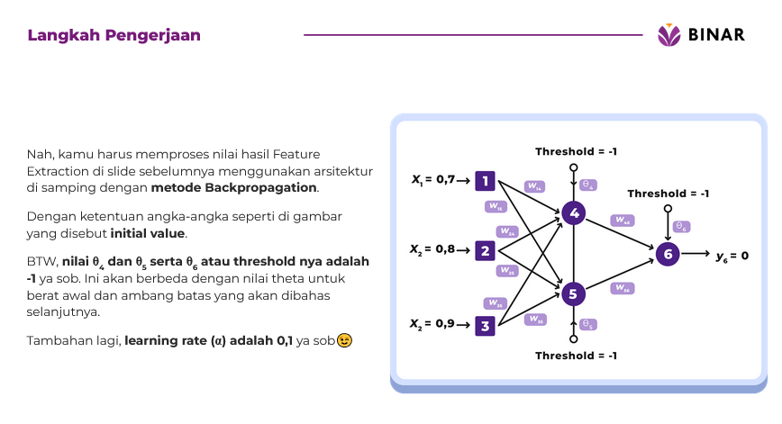

y4 | sigmoid(x1w14+x2w24+x3w34-04)

 | 1/[1+e-(0,7x0,5+0,80x0,3+0,9x-1 - 1x0,2)

 | x1 | 0.7
 | W14 | 0.5 | 0.35

 | x2 | 0.8
 | W24 | 0.3 | 0.24

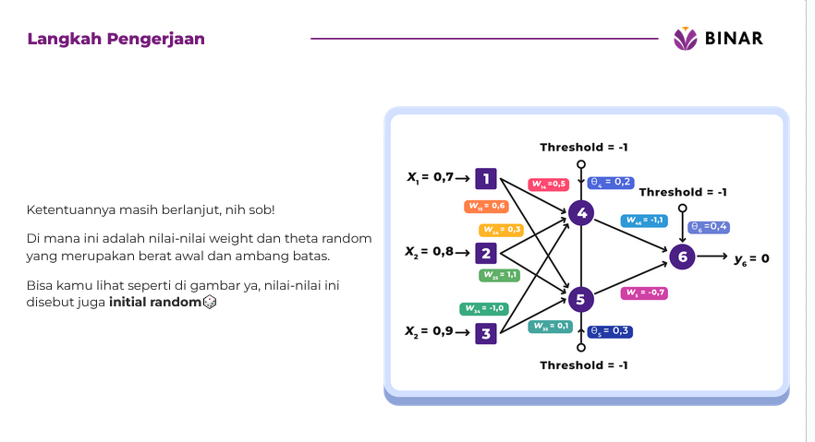
 | x3 | 0.9
 | W34 | -1 | -0.9 | -0.31

 | 04 | 0.2 |  | -0.51

y4 | 0.37

y5 | sigmoid(x1w15+x2w25+x3w35-05)

 | x1 | 0.7
 | W15 | 0.6 | 0.42

 | x2 | 0.8
 | W25 | 1.1 | 0.88

 | x3 | 0.9
 | W35 | 0.1 | 0.09 | 1.39

 | 05 | 0.3 |  | 1.09

y5 | 0.75

y6 | sigmoid(y4w46+y5W56-06)

 | y4 | 0.37
 | W46 | -1.1 | -0.41

 | y5 | 0.75
 | W56 | -0.7 | -0.52
 |  |  |  | -0.93

 | 06 | 0.4 |  | -1.33

y6 | 0.21

yd,6 | 0 | Output

NILAI ERROR

e | yd,6-y6

e | -0.21

Sheet2
